Testcase
Name : | Rolastri

Case | Test case | Test steps | Test data | Expected Result | Actual Result | Screenshoot | Status PASSED/FAILED
Postive Test Case + | User success to hit webhook using valid data with method GET (url : webhook.site...) | 1. Given user opens postman 2. When user clicks 'Send' button using valid data 3. Then response will be 200 OK | Method : GET Url : https://webhook.site/3a763ed3-1196-438e-af95-82181e48e42d/ { "email": "rolastry@gmail.com", "name": "lastri", "phone_number": "085939225396", "client_key" : "12AFFGJ98011A", "secret_key" : "12FEJWJWKKIK" } | Response will be 200 OK | Response is 200 OK | 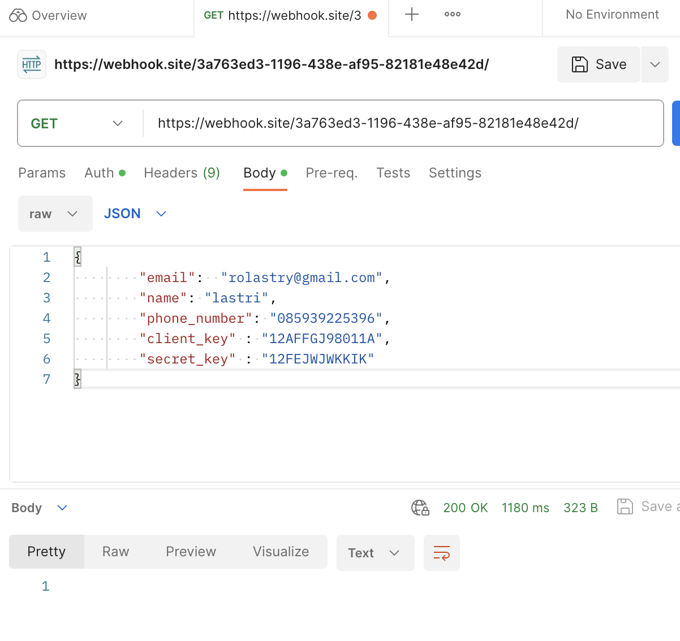 | Passed
Postive Test Case + | User success to hit webhook using valid data with method GET (url : localhost) | 1. Given user opens postman 2. When user clicks 'Send' button using valid data 3. Then response will be Express + TypeScript Server and 200 OK | Method : GET Url : http://localhost:3030/ { "email": "rolastry@gmail.com", "name": "lastri", "phone_number": "085939225396", "client_key" : "12AFFGJ98011A", "secret_key" : "12FEJWJWKKIK" } | Response : Express + TypeScript Server and will be 200 OK | Response : Express + TypeScript Server and 200 OK |  | Passed
Negative Test Case - | User failed to hit webhook using invalid data (some fields empty) with method GET (url : webhook site) | 1. Given user opens postman 2. When user clicks 'Send' button using invalid data 3. Then system will throw error | Method : GET Url : https://webhook.site/3a763ed3-1196-438e-af95-82181e48e42d/ { "email": "", "name": "", "phone_number": "", "client_key" : "12AFFGJ98011A", "secret_key" : "12FEJWJWKKIK" } | System should throw error response | Response is 200 OK |  | Failed
Negative Test Case - | User failed to hit webhook using valid data but invalid token with method GET (url : webhook site) | 1. Given user opens postman 2. When user clicks 'Send' button using valid data 3. Then response will be 200 OK | Method : GET Url : https://webhook.site/3a763ed3-1196-438e-af95-82181e48e42e/ { "email": "rolastry@gmail.com", "name": "lastri", "phone_number": "085939225396", "client_key" : "12AFFGJ98011A", "secret_key" : "12FEJWJWKKIK" } | System should throw error response : Token not found | System is throw error response { "success": false, "error": { "message": "Token not found", "id": null } } |  | Passed
Postive Test Case + | User success to hit webhook using valid data with method POST (url : webhook.site...) | 1. Given user opens postman 2. When user clicks 'Send' button using valid data 3. Then response will be 200 OK and new profile will be created | Method : POST Url : https://webhook.site/3a763ed3-1196-438e-af95-82181e48e42d/main-request { "email": "rolastry@gmail.com", "name": "lastri", "phone_number": "085939225396", "client_key" : "12AFFGJ98011A", "secret_key" : "12FEJWJWKKIK" } | Response will be 200 OK New Profile will be created | Response is 200 OK New Profile will be created |  | Passed
Negative Test Case - | User failed to hit webhook using invalid data (some fields are empty) with method POST (url : webhook.site...) | 1. Given user opens postman 2. When user clicks 'Send' button using invalid data 3. Then system will be throw error response | Method : POST Url : https://webhook.site/3a763ed3-1196-438e-af95-82181e48e42d/main-request { "email": "", "name": "", "phone_number": "085939225396", "client_key" : "12AFFGJ98011A", "secret_key" : "12FEJWJWKKIK" } | System will throw error response | Response is 200 OK |  | Failed

